E-Newsletter July-September, 25
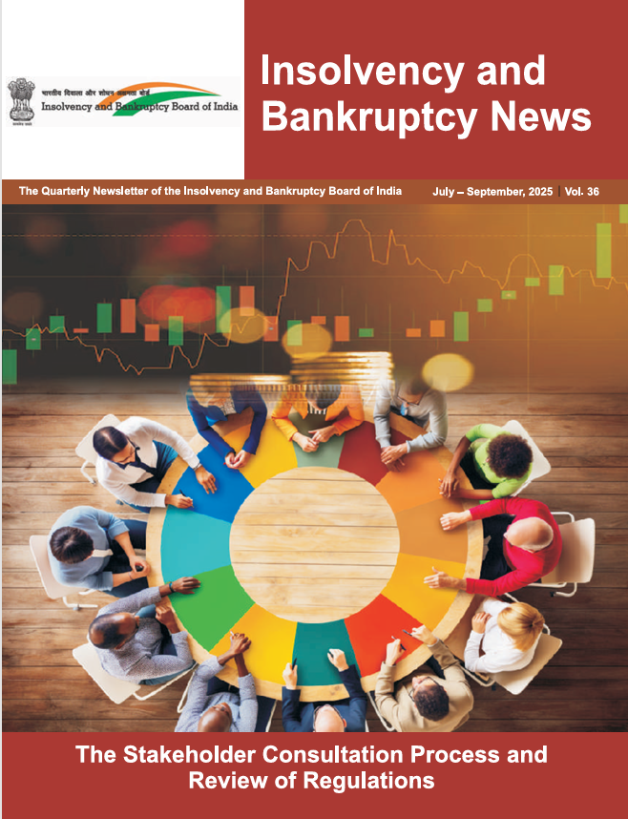

This E-Newsletter includes the tables, charts, and underlying data from the Quarterly Newsletter of Insolvency and Bankrupty Board of India, July-September, 2025, Vol. 36. When using the data, please refer to the Insolvency and Banruptcy News, July-September, 2025, Vol. 36.

Disclaimer: This E-Newsletter is meant for the sole purpose of creating awareness and must not be used as a guide for taking or recommending any action or decision, commercial or otherwise. The reader must do his/ her own research or seek professional advice if he/she intends to take any action or decision in any matter covered in this E-Newsletter.
In case of query, please contact: Board Secretariat Division Insolvency and Bankruptcy Board of India 7th Floor, Mayur Bhawan, Shankar Market, Connaught Circus, New Delhi -110001. Email: manpreet.k92@ibbi.gov.in

Table 2
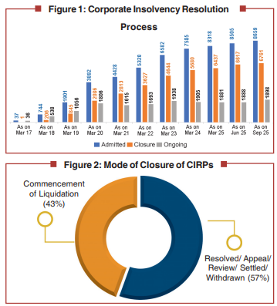
Table 2: Corporate Insolvency Resolution Process |  |  |  |  |  |  |  |  | Go to Table of Contents
 |  |  |  |  |  |  | (Number)
Year / Quarter | CIRPs at the beginning of the Period | Admitted | Closure by |  |  |  | CIRPs at the end of the Period
 |  |  | Appeal/Review/ Settled | Withdrawal under Section 12A | Approval of Resolution Plan | Commencement of Liquidation
2016 - 17 | 0 | 37 | 1 | 0 | 0 | 0 | 36
2017 - 18 | 36 | 707 | 96 | 0 | 18 | 91 | 538
2018 - 19 | 538 | 1157 | 162 | 97 | 75 | 305 | 1056
2019 - 20 | 1056 | 1991 | 351 | 221 | 132 | 537 | 1806
2020 - 21 | 1806 | 536 | 92 | 168 | 119 | 348 | 1615
2021 - 22 | 1615 | 892 | 130 | 203 | 141 | 340 | 1693
2022 - 23 | 1693 | 1262 | 195 | 231 | 186 | 405 | 1938
2023 - 24 | 1938 | 1003 | 164 | 168 | 262 | 442 | 1905
2024 - 25 | 1905 | 733 | 118 | 86 | 262 | 291 | 1881
Apr - Jun, 2025 | 1881 | 187 | 14 | 28 | 63 | 75 | 1888
July-Sep, 2025 | 1888 | 154 | 19 | 21 | 42 | 62 | 1898
Total | NA | 8659 | 1342 | 1223 | 1300 | 2896 | 1898
Note: These CIRPs are in respect of 8239 CDs. This excludes 1 CD which has moved directly from Board for Industrial and Financial Reconstruction (BIFR) to resolution. Source: Compilation from website of the NCLT and filing by IPs.

 |  |  |  |  |  |  |  | 46.627656298
 |  |  |  |  |  |  |  | Commencement of Liquidation
 |  |  |  |  |  |  |  | 46.63

Table 3
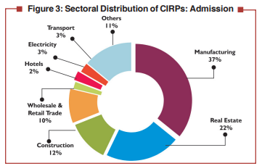
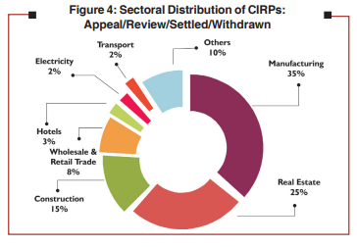
Table 3: Sectoral Distribution of CIRPs as on September 30, 2025 |  |  |  |  |  |  |  | Go to Table of Contents
Sector | No. of CIRPs
 | Admitted | Closed |  |  |  |  | Ongoing
 |  | Appeal/Review/ Settled | Withdrawal under Section 12 A | Approval of Resolution Plan | Commencement of Liquidation | Total
Manufacturing | 3183 | 447 | 454 | 574 | 1162 | 2637 | 546
Food, Beverages & Tobacco Products | 415 | 51 | 59 | 73 | 156 | 339 | 76
Chemicals & Chemical Products | 350 | 56 | 68 | 60 | 109 | 293 | 57
Electrical Machinery & Apparatus | 223 | 26 | 26 | 31 | 102 | 185 | 38
Fabricated Metal Products | 172 | 26 | 28 | 28 | 52 | 134 | 38
Machinery & Equipment | 345 | 64 | 59 | 43 | 115 | 281 | 64
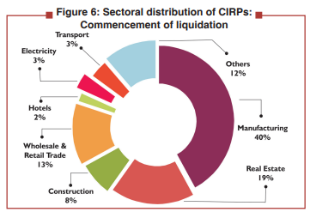
Textiles, Leather & Apparel Products | 538 | 64 | 79 | 74 | 235 | 452 | 86
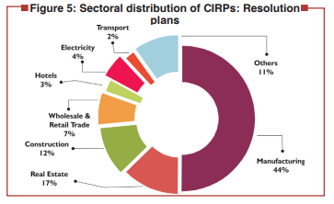
Wood, Rubber, Plastic & Paper Products | 374 | 49 | 54 | 75 | 132 | 310 | 64
Basic Metals | 521 | 67 | 46 | 139 | 192 | 444 | 77
Others | 245 | 44 | 35 | 51 | 69 | 199 | 46
Real Estate, Renting & Business Activities | 1903 | 348 | 296 | 223 | 540 | 1407 | 496 | 644
Real Estate Activities | 543 | 112 | 82 | 75 | 87 | 356 | 187
Computer and related activities | 249 | 32 | 43 | 22 | 94 | 191 | 58
Research and Development | 12 | 2 | 4 | 1 | 2 | 9 | 3
Other Business Activities | 1099 | 202 | 167 | 125 | 357 | 851 | 248
Construction | 1052 | 206 | 173 | 157 | 228 | 764 | 288 | 379
Wholesale & Retail Trade | 862 | 119 | 83 | 87 | 385 | 674 | 188 | 202
Hotels & Restaurants | 176 | 37 | 30 | 32 | 43 | 142 | 34 | 67
Electricity & Others | 234 | 30 | 25 | 55 | 92 | 202 | 32 | 55
Transport, Storage & Communications | 236 | 26 | 27 | 24 | 99 | 176 | 60 | 53
Others | 1013 | 129 | 135 | 148 | 347 | 759 | 254 | 264
Total | 8659 | 1342 | 1223 | 1300 | 2896 | 6761 | 1898 | 2565
Note: The distribution is based on the CIN of CDs and as per National Industrial Classification (NIC 2004).

Sector | Admitted | Appeal/Review/ Settled/Wtihdrawn | Approval of Resolution Plan | Commencement of Liquidation
Manufacturing | 3183 | 475 | 574 | 1162
Real Estate | 1903 | 320 | 59 | 540
Construction | 1052 | 166 | 157 | 228
Retail Trade | 862 | 105 | 27 | 385
Hotels | 176 | 37 | 32 | 43
Electricity | 234 | 22 | 23 | 92
Transport | 236 | 33 | 24 | 99
Others | 1013 | 118 | 148 | 347
Total | 8659 | 1276 | 1044 | 2896

Sector | Admitted | Appeal/Review/ Settled | Approval of Resolution Plan | Commencement of Liquidation

Manufacturing | 40% | 37% | 55% | 40%
Real Estate | 20% | 25% | 6% | 19%
Construction | 11% | 13% | 15% | 8%
Retail Trade | 10% | 8% | 3% | 13%
Hotels | 2% | 3% | 3% | 1%
Electricity | 3% | 2% | 2% | 3%
Transport | 3% | 3% | 2% | 3%
Others | 11% | 9% | 14% | 12%

Table 7
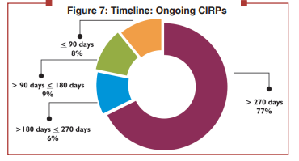
Table 7: Status of ongoing CIRPs as on September 30, 2025 |  |  | Go to Table of Contents

Status of CIRPs | No. of CIRPs
Admitted | 8659
Closed on Appeal / Review / Settled | 1342
Closed by Withdrawal under section 12A | 1223
Closed by Resolution | 1300
Closed by Liquidation | 2896
Ongoing CIRP | 1898
> 270 days | 1465
> 180 days ≤ 270 days | 119
> 90 days ≤ 180 days | 169
≤ 90 days | 145

Ongoing CIRP | Number of CIRPs | %
> 270 days | 1465 | 77.19%
> 180 days ≤ 270 days | 119 | 6.27%
> 90 days ≤ 180 days | 169 | 8.90%
≤ 90 days | 145 | 7.64%
Total | 1898 | 100

Table 11
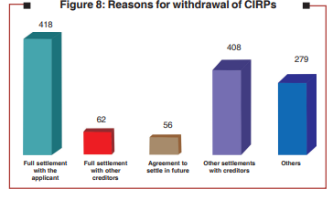
Table 11: Closure of CIRPs by Withdrawal till September 30, 2025 |  |  | Go to Table of Contents

Amount of Claims Admitted (₹ crore) | No. of CIRPs
≤ 01 | 666
> 01 ≤ 10 | 299
> 10 ≤ 50 | 145
> 50 ≤ 100 | 43
> 100 ≤ 1000 | 59
> 1000 | 11
Reason for Withdrawal*
Full settlement with the applicant | 418
Full settlement with other creditors | 62
Agreement to settle in future | 56
Other settlements with creditors | 408
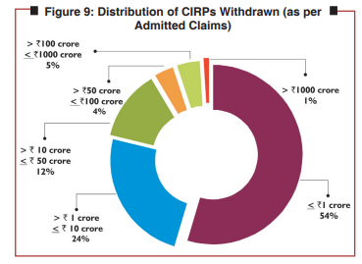
Others | 279

Amount of Claims Admitted* (₹ crore) | No. of CIRPs | %
≤ ₹ 1 crore | 666 | 54%
> ₹ 1 crore ≤ ₹ 10 crore | 299 | 24%
> ₹ 10 crore ≤ ₹ 50 crore | 145 | 12%
> ₹ 50 crore ≤ ₹ 100 crore | 43 | 4%
> ₹ 100 crore ≤ ₹ 1000 crore | 59 | 5%
> ₹ 1000 crore | 11 | 1%
Total | 1223

Table 13
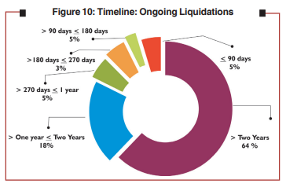
Table 13: Status of Liquidation Processes as on September 30, 2025 |  | Go To Table of Contents

Status of Liquidation | Number
Initiated
Final Report submitted | 1529
Closed by Dissolution | 987
Closed by Going Concern Sale | 126
Compromise / Arrangement | 16
Ongoing | 1367
>Two years | 880
> One year ≤ Two years | 246
> 270 days ≤ 1 year | 69
> 180 days ≤ 270 days | 38
> 90 days ≤ 180 days | 73
≤ 90 days | 61

Table 15
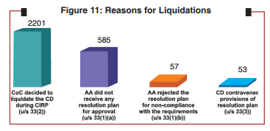
Table 15: Reasons for Liquidations |  |  | Go to Table of Contents

Circumstance | Number of Liquidations
 | Where Final Reports Submitted | Ongoing
CoC decided to liquidate the CD during CIRP | 1203 | 998 | 2201
AA did not receive any resolution plan for approval | 290 | 295 | 585
AA rejected the resolution plan for non-compliance with the requirements | 14 | 43 | 57
CD contravened provisions of resolution plan | 17 | 36 | 53
Total | 1524 | 1372

Circumstance | Total
CoC decided to liquidate the CD during CIRP (u/s 33(2)) | 2201
AA did not receive any resolution plan for approval (u/s 33(1)(a)) | 585
AA rejected the resolution plan for non-compliance with the requirements (u/s 33(1)(b)) | 57
CD contravened provisions of resolution plan (u/s 33(3)) | 53
Total | 2896

Table 18
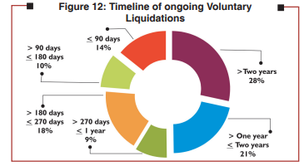
Table 18: Status of Voluntary Liquidations as on September 30, 2025 |  | Go to Table of Contents

Status | No. of Liquidations
Initiated | 2417
Closed by withdrawal | 44
Final Report Submitted | 1867
Closed by Dissolution | 1375
Ongoing | 506
> Two years | 144
> One year ≤ Two years | 108
> 270 days ≤ 1 year | 45
> 180 days ≤ 270 days | 89
> 90 days ≤ 180 days | 48
≤ 90 days | 72

Ongoing
> Two years | 144
> One year ≤ Two years | 108
> 270 days ≤ 1 year | 45
> 180 days ≤ 270 days | 89
> 90 days ≤ 180 days | 48
≤ 90 days | 72

Table 19
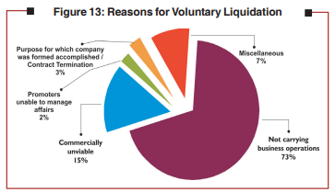
Table 19: Reasons For Voluntary Liquidations |  |  | Go to Table of Contents

Sl. No. | Reason for Voluntary Liquidation | No. of Corporate Persons
1 | Not carrying business operations | 1707
2 | Commercially unviable | 356
3 | Promoters unable to manage affairs | 46
4 | Purpose for which company was formed accomplished / Contract Termination | 69
5 | Miscellaneous | 163
Total |  | 2341

Table 31
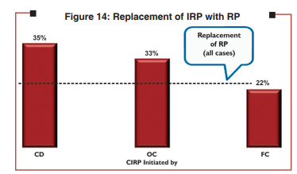
Table 31: Replacement of IRP with RP as on September, 30 2025 |  |  | Go to Table of Contents

CIRP initiated by | No. of CIRPs
 | Where RP is different from the IRP | Where RPs have been appointed
CD | 172 | 492
OC | 894 | 2712
FC | 779 | 3475
Total | 1845 | 6679

Table 35
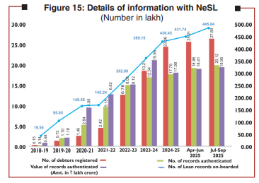
Table 35: Details of information with NeSL |  |  |  |  |  |  |  |  |  |  |  |  |  |  | Go to Table of Contents
(Number, except as stated)
At the end of Year / Month | Creditors having agreement with NeSL |  | Creditors who have submitted information |  | Debtors whose information is submitted by |  | Loan records on-boarded by |  | Amount of underlying debt (₹ crore) |  | User registrations (debtors) | Loan records authenticated by debtors |  | No. of Defaults authenticated by debtors
 | FCs | OCs | FCs | OCs | FCs | OCs | FCs | OCs | FCs | OCs | No. of Debtors | No. of Records | Value (₹ crore)
2018 - 19 | 173 | NA | 114 | 169 | 1266445 | 230 | 1955230 | 316 | 4114988 | 16224 | 15148 | 13799 | 48,428 | 54
2019 - 20 | 267 | NA | 381 | 543 | 6551739 | 6191 | 9417317 | 167719 | 7873689 | 31910 | 73332 | 109726 | 118428 | 240075
2020 - 21 | 289 | NA | 621 | 675 | 8988348 | 9066 | 14565545 | 292206 | 13195075 | 36770 | 139980 | 283839 | 499957 | 442584
2021 - 22 | 347 | NA | 692 | 779 | 9494394 | 3312 | 14039325 | 185166 | 14539538 | 42894 | 241753 | 514932 | 682369 | 299584
2022 - 23 | 415 | NA | 770 | 1204 | 18391569 | 11529 | 25946358 | 333694 | 18829291 | 53691 | 678212 | 802698 | 812320 | 612901
2023 - 24 | 515 | NA | 922 | 2022 | 25414547 | 15469 | 38507605 | 406943 | 21321068 | 74677 | 1320691 | 1254272 | 1594838 | 612784
2024 - 25 | 560 | NA | 1064 | 2961 | 29592073 | 23688 | 43246874 | 398370 | 22424061 | 77424 | 2306125 | 1779321 | 1798430 | 401545
Apr - Jun, 2025 | 576 | NA | 1101 | 3162 | 29346621 | 24037 | 42766745 | 407412 | 25854151 | 80650 | 2521101 | 1896398 | 1841073 | 578863
July-Sep, 2025 | 589 | NA | 1120 | 3363 | 30240768 | 24750 | 44162802 | 421304 | 26920211 | 85856 | 2788879 | 2012211 | 1895010 | 594055
NA: Not Available

At the end of Year / Month | FCs | OCs | No. of Loan records on-boarded | FCs | OCs | No. of debtors registered | No. of records authenticated | Value of records authenticated (Amt. in ₹ lakh crore)
2018 - 19 | 19.55 | 0.00 | 19.56 | 41.15 | 0.16 | 0.15 | 0.14 | 0.48
2019 - 20 | 94.17 | 1.68 | 94.17 | 78.74 | 0.32 | 0.73 | 1.09 | 1.18
2020 - 21 | 107.22 | 2.05 | 145.60 | 98.56 | 0.33 | 1.39 | 2.83 | 4.99
Jun, 2021 | 121.27 | 2.07 | 156.06 | 122.99 | 0.34 | 1.53 | 3.46 | 4.86
Sep, 2021 | 136.66 | 2.54 | 120.51 | 128.75 | 0.36 | 1.68 | 4.07 | 5.79
Dec,2021 |  |  | 128.39 |  |  | 1.96 | 4.62 | 6.90

2018 - 19 | 0.15
2019 - 20 | 0.73
Jun, 2020 | 1.07
Sep, 2020 | 1.21
Dec, 2020 | 1.30
Mar, 2021 | 1.40
Jun, 2021 | 1.53

