E-Newsletter April-June 2026
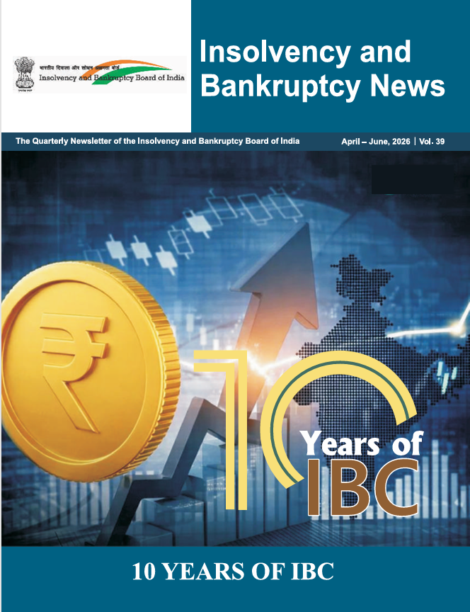

This E-Newsletter includes the tables, charts, and underlying data from the Quarterly Newsletter of Insolvency and Bankrupty Board of India, April-June, 2026, Vol. 39. When using the data, please refer to the Insolvency and Banruptcy News, April-June, 2026, Vol. 39.

Disclaimer: This E-Newsletter is meant for the sole purpose of creating awareness and must not be used as a guide for taking or recommending any action or decision, commercial or otherwise. The reader must do his/ her own research or seek professional advice if he/she intends to take any action or decision in any matter covered in this E-Newsletter.
In case of query, please contact: Board Secretariat Division Insolvency and Bankruptcy Board of India 7th Floor, Mayur Bhawan, Shankar Market, Connaught Circus, New Delhi -110001. Email: manpreet.k92@ibbi.gov.in

Table 2
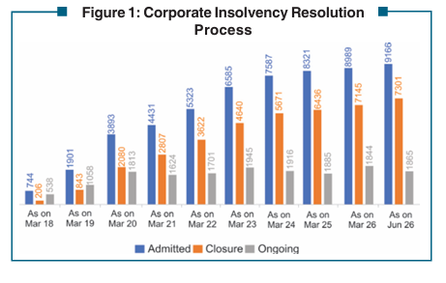
 | Table 2: Corporate Insolvency Resolution Process |  |  |  |  |  |  |  |  | Go to Table of Contents
 |  |  |  |  |  |  |  | (Number)
 | Year / Quarter | CIRPs at the beginning of the Period | Admitted | Closure by |  |  |  | CIRPs at the end of the Period
 |  |  |  | Appeal/Review/ Settled | Withdrawal under Section 12A | Approval of Resolution Plan | Commencement of Liquidation
 | 2016 - 17 | 0 | 37 | 1 | 0 | 0 | 0 | 36
 | 2017 - 18 | 36 | 707 | 96 | 0 | 18 | 91 | 538
 | 2018 - 19 | 538 | 1157 | 162 | 97 | 73 | 305 | 1058
 | 2019 - 20 | 1058 | 1992 | 349 | 221 | 130 | 537 | 1813
 | 2020 - 21 | 1813 | 538 | 92 | 168 | 119 | 348 | 1624
 | 2021 - 22 | 1624 | 892 | 131 | 204 | 141 | 339 | 1701
 | 2022 - 23 | 1701 | 1262 | 196 | 231 | 186 | 405 | 1945
 | 2023 - 24 | 1945 | 1002 | 165 | 168 | 257 | 441 | 1916
 | 2024 - 25 | 1916 | 734 | 126 | 89 | 257 | 293 | 1885
 | 2025-26 | 1885 | 668 | 82 | 132 | 234 | 261 | 1844
 | Apr- June, 2026 | 1844 | 177 | 10 | 23 | 69 | 54 | 1865
 | Total | NA | 9166 | 1410 | 1333 | 1484 | 3074 | 1865
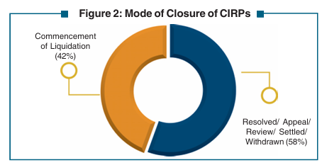 | Note: These CIRPs are in respect of 8711 CDs. This excludes 1 CD which has moved directly from Board for Industrial and Financial Reconstruction (BIFR) to resolution. Source: Compilation from website of the NCLT and filing by IPs.

 |  |  |  |  |  |  |  |  | 46.627656298
 |  |  |  |  |  |  |  |  | Commencement of Liquidation
 |  |  |  |  |  |  |  |  | 46.63

Table 3
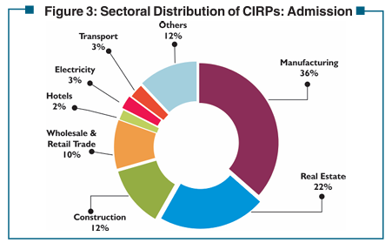
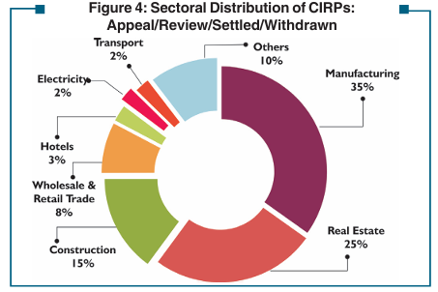
Table 3: Sectoral Distribution of CIRPs as on June 30, 2026 |  |  |  |  |  |  |  | Go to Table of Contents
Sector | No. of CIRPs
 | Admitted | Closed |  |  |  |  | Ongoing
 |  | Appeal/Review/ Settled | Withdrawal under Section 12 A | Approval of Resolution Plan | Commencement of Liquidation | Total
Manufacturing | 3342 | 461 | 495 | 634 | 1227 | 2817 | 525
Food, Beverages & Tobacco Products | 448 | 54 | 65 | 77 | 167 | 363 | 85
Chemicals & Chemical Products | 369 | 59 | 75 | 66 | 112 | 312 | 57
Electrical Machinery & Apparatus | 227 | 29 | 30 | 35 | 106 | 200 | 27
Fabricated Metal Products | 177 | 26 | 29 | 33 | 56 | 144 | 33
Machinery & Equipment | 358 | 64 | 61 | 52 | 126 | 303 | 55
Textiles, Leather & Apparel Products | 569 | 66 | 85 | 81 | 247 | 479 | 90
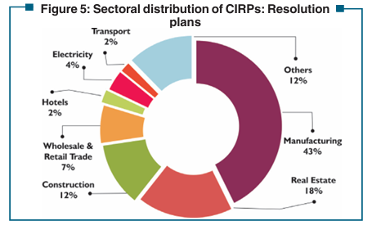
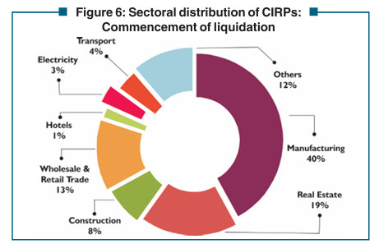
Wood, Rubber, Plastic & Paper Products | 390 | 50 | 59 | 87 | 139 | 335 | 55
Basic Metals | 539 | 69 | 51 | 145 | 199 | 464 | 75
Others | 265 | 44 | 40 | 58 | 75 | 217 | 48
Real Estate, Renting & Business Activities | 1996 | 370 | 322 | 266 | 573 | 1531 | 465 | 692
Real Estate Activities | 571 | 122 | 92 | 92 | 89 | 395 | 176
Computer and related activities | 258 | 36 | 47 | 27 | 98 | 208 | 50
Research and Development | 13 | 2 | 4 | 3 | 2 | 11 | 2
Other Business Activities | 1154 | 210 | 179 | 144 | 384 | 917 | 237
Construction | 1129 | 218 | 191 | 178 | 247 | 834 | 295 | 409
Wholesale & Retail Trade | 910 | 121 | 91 | 105 | 407 | 724 | 186 | 212
Hotels & Restaurants | 182 | 38 | 31 | 35 | 44 | 148 | 34 | 69
Electricity & Others | 246 | 31 | 27 | 56 | 99 | 213 | 33 | 58
Transport, Storage & Communications | 256 | 31 | 30 | 27 | 109 | 197 | 59 | 61
Others | 1105 | 140 | 146 | 183 | 368 | 837 | 268 | 286
Total | 9166 | 1410 | 1333 | 1484 | 3074 | 7301 | 1865 | 2743
Note: The distribution is based on the CIN of CDs and as per National Industrial Classification (NIC 2004).

Sector | Admitted | Appeal/Review/ Settled/Wtihdrawn | Approval of Resolution Plan | Commencement of Liquidation
Manufacturing | 3342 | 475 | 634 | 1227
Real Estate | 1996 | 320 | 59 | 573
Construction | 1129 | 166 | 178 | 247
Retail Trade | 910 | 105 | 27 | 407
Hotels | 182 | 37 | 35 | 44
Electricity | 246 | 22 | 23 | 99
Transport | 256 | 33 | 27 | 109
Others | 1105 | 118 | 183 | 368
Total | 9166 | 1276 | 1166 | 3074

Sector | Admitted | Appeal/Review/ Settled | Approval of Resolution Plan | Commencement of Liquidation

Manufacturing | 40% | 37% | 54% | 40%
Real Estate | 20% | 25% | 5% | 19%
Construction | 11% | 13% | 15% | 8%
Retail Trade | 10% | 8% | 2% | 13%
Hotels | 2% | 3% | 3% | 1%
Electricity | 3% | 2% | 2% | 3%
Transport | 3% | 3% | 2% | 4%
Others | 11% | 9% | 16% | 12%

Table 7
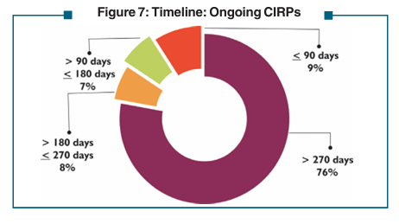
Table 7: Status of ongoing CIRPs as on June 30, 2026 |  |  | Go to Table of Contents

Status of CIRPs | No. of CIRPs
Admitted | 9166
Closed on Appeal / Review / Settled | 1410
Closed by Withdrawal under section 12A | 1333
Closed by Resolution | 1484
Closed by Liquidation | 3074
Ongoing CIRP | 1865
> 270 days | 1414
> 180 days ≤ 270 days | 147
> 90 days ≤ 180 days | 131
≤ 90 days | 173

Ongoing CIRP | Number of CIRPs | %
> 270 days | 1414 | 75.82%
> 180 days ≤ 270 days | 147 | 7.88%
> 90 days ≤ 180 days | 131 | 7.02%
≤ 90 days | 173 | 9.28%
Total | 1865 | 100

Table 11
Table 11: Closure of CIRPs by Withdrawal till June 30, 2026 |  |  | Go to Table of Contents
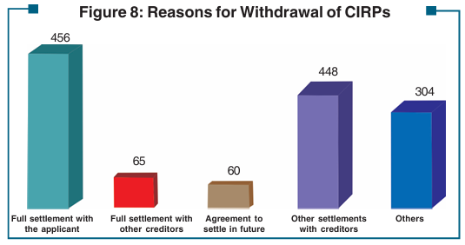
Amount of Claims Admitted (₹ crore) | No. of CIRPs
≤ 01 | 688
> 01 ≤ 10 | 341
> 10 ≤ 50 | 165
> 50 ≤ 100 | 50
> 100 ≤ 1000 | 73
> 1000 | 16
Reason for Withdrawal
Full settlement with the applicant | 456
Full settlement with other creditors | 65
Agreement to settle in future | 60
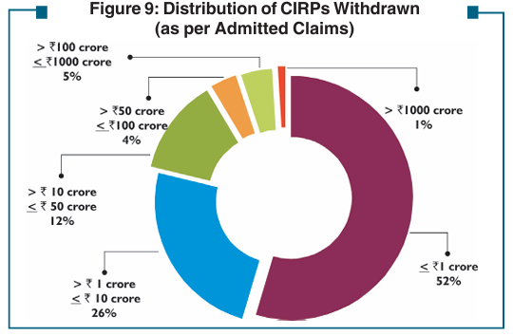
Other settlements with creditors | 448
Others | 304

Amount of Claims Admitted* (₹ crore) | No. of CIRPs | %
≤ ₹ 1 crore | 688 | 52%
> ₹ 1 crore ≤ ₹ 10 crore | 341 | 26%
> ₹ 10 crore ≤ ₹ 50 crore | 165 | 12%
> ₹ 50 crore ≤ ₹ 100 crore | 50 | 4%
> ₹ 100 crore ≤ ₹ 1000 crore | 73 | 5%
> ₹ 1000 crore | 16 | 1%
Total | 1333

Table 13
Table 13: Status of Liquidation Processes as on June 30, 2026 |  | Go To Table of Contents
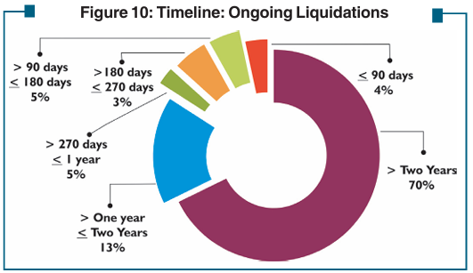
Status of Liquidation | Number
Initiated | 3074
Final Report submitted | 1757
Closed by Dissolution | 972
Closed by Going Concern Sale | 186
Compromise / Arrangement | 19
Ongoing | 1317
>Two years | 919
> One year ≤ Two years | 177
> 270 days ≤ 1 year | 63
> 180 days ≤ 270 days | 43
> 90 days ≤ 180 days | 59
≤ 90 days | 54

Table 15
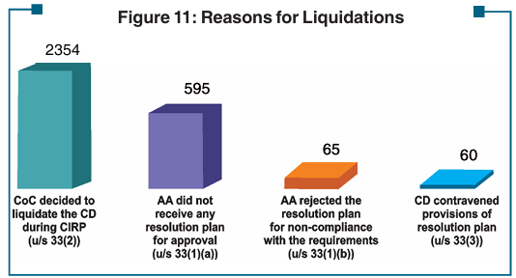
Table 15: Reasons for Liquidations |  |  | Go to Table of Contents

Circumstance | Number of Liquidations
 | Where Final Reports Submitted | Ongoing
CoC decided to liquidate the CD during CIRP | 1385 | 969 | 2354
AA did not receive any resolution plan for approval | 333 | 262 | 595
AA rejected the resolution plan for non-compliance with the requirements | 19 | 46 | 65
CD contravened provisions of resolution plan | 20 | 40 | 60
Total | 1757 | 1317

Circumstance | Total
CoC decided to liquidate the CD during CIRP (u/s 33(2)) | 2354
AA did not receive any resolution plan for approval (u/s 33(1)(a)) | 595
AA rejected the resolution plan for non-compliance with the requirements (u/s 33(1)(b)) | 65
CD contravened provisions of resolution plan (u/s 33(3)) | 60
Total | 3074

Table 18
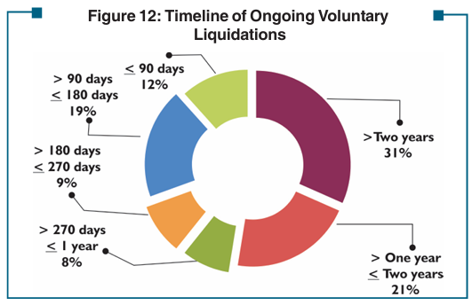
Table 18: Status of Voluntary Liquidations as on June 30, 2026 |  | Go to Table of Contents

Status | No. of Liquidations
Initiated | 2684
Closed by withdrawal | 44
Final Report Submitted | 2090
Closed by Dissolution | 1594
Ongoing | 550
> Two years | 174
> One year ≤ Two years | 115
> 270 days ≤ 1 year | 45
> 180 days ≤ 270 days | 48
> 90 days ≤ 180 days | 104
≤ 90 days | 64

Ongoing
> Two years | 174
> One year ≤ Two years | 115
> 270 days ≤ 1 year | 45
> 180 days ≤ 270 days | 48
> 90 days ≤ 180 days | 104
≤ 90 days | 64

Table 19
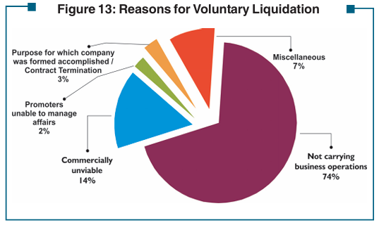
Table 19: Reasons For Voluntary Liquidations |  |  | Go to Table of Contents

Sl. No. | Reason for Voluntary Liquidation | No. of Corporate Persons
1 | Not carrying business operations | 1957
2 | Commercially unviable | 383
3 | Promoters unable to manage affairs | 50
4 | Purpose for which company was formed accomplished / Contract Termination | 73
5 | Miscellaneous | 188
Total |  | 2651

Table 30
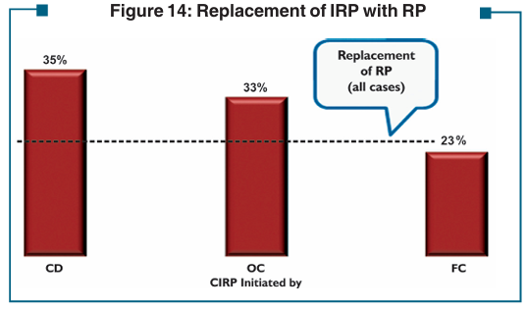
Table 30: Replacement of IRP with RP as on June 30, 2026 |  |  | Go to Table of Contents

CIRP initiated by | No. of CIRPs
 | Where RP is different from the IRP | Where RPs have been appointed
CD | 180 | 517
OC | 927 | 2798
FC | 837 | 3704
Total | 1944 | 7019

Table 34
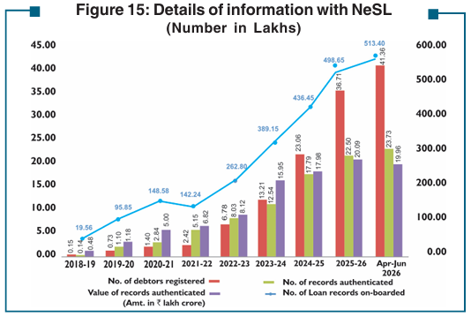
Table 34: Details of information with NeSL |  |  |  |  |  |  |  |  |  |  |  |  |  |  | Go to Table of Contents
(Number, except as stated)
At the end of Year / Month | Creditors having agreement with NeSL |  | Creditors who have submitted information |  | Debtors whose information is submitted by |  | Loan records on-boarded by |  | Amount of underlying debt (₹ crore) |  | User registrations (debtors) | Loan records authenticated by debtors |  | No. of Defaults authenticated by debtors
 | FCs | OCs | FCs | OCs | FCs | OCs | FCs | OCs | FCs | OCs | No. of Debtors | No. of Records | Value (₹ crore)
2018 - 19 | 173 | NA | 114 | 169 | 1266445 | 230 | 1955230 | 316 | 4114988 | 16224 | 15148 | 13799 | 48,428 | 54
2019 - 20 | 267 | NA | 381 | 543 | 6551739 | 6191 | 9417317 | 167719 | 7873689 | 31910 | 73332 | 109726 | 118428 | 240075
2020 - 21 | 289 | NA | 621 | 675 | 8988348 | 9066 | 14565545 | 292206 | 13195075 | 36770 | 139980 | 283839 | 499957 | 442584
2021 - 22 | 347 | NA | 692 | 779 | 9494394 | 3312 | 14039325 | 185166 | 14539538 | 42894 | 241753 | 514932 | 682369 | 299584
2022 - 23 | 415 | NA | 770 | 1204 | 18391569 | 11529 | 25946358 | 333694 | 18829291 | 53691 | 678212 | 802698 | 812320 | 612901
2023 - 24 | 515 | NA | 922 | 2022 | 25414547 | 15469 | 38507605 | 406943 | 21321068 | 74677 | 1320691 | 1254272 | 1594838 | 612784
2024 - 25 | 560 | NA | 1064 | 2961 | 29592073 | 23688 | 43246874 | 398370 | 22424061 | 77424 | 2306125 | 1779321 | 1798430 | 401545
2025 - 26 | 640 | NA | 1171 | 3666 | 34283979 | 25193 | 49748477 | 116737 | 26706629 | 58610 | 3670619 | 2250477 | 2008594 | 476008
Apr-June, 2026 | 666 | NA | 1213 | 3854 | 35310142 | 26487 | 51211762 | 128426 | 27193461 | 64002 | 4135515 | 2372630 | 1996090 | 577500
NA: Not Available

At the end of Year / Month | FCs | OCs | No. of Loan records on-boarded | FCs | OCs | No. of debtors registered | No. of records authenticated | Value of records authenticated (Amt. in ₹ lakh crore)
2018 - 19 | 19.55 | 0.00 | 19.56 | 41.15 | 0.16 | 0.15 | 0.14 | 0.48
2019 - 20 | 94.17 | 1.68 | 94.17 | 78.74 | 0.32 | 0.73 | 1.09 | 1.18
2020 - 21 | 107.22 | 2.05 | 145.60 | 98.56 | 0.33 | 1.39 | 2.83 | 4.99
Jun, 2021 | 121.27 | 2.07 | 156.06 | 122.99 | 0.34 | 1.53 | 3.46 | 4.86
Sep, 2021 | 136.66 | 2.54 | 120.51 | 128.75 | 0.36 | 1.68 | 4.07 | 5.79
Dec,2021 |  |  | 128.39 |  |  | 1.96 | 4.62 | 6.90

2018 - 19 | 0.15
2019 - 20 | 0.73
Jun, 2020 | 1.07
Sep, 2020 | 1.21
Dec, 2020 | 1.30
Mar, 2021 | 1.40
Jun, 2021 | 1.53

